Chipload Onsrud
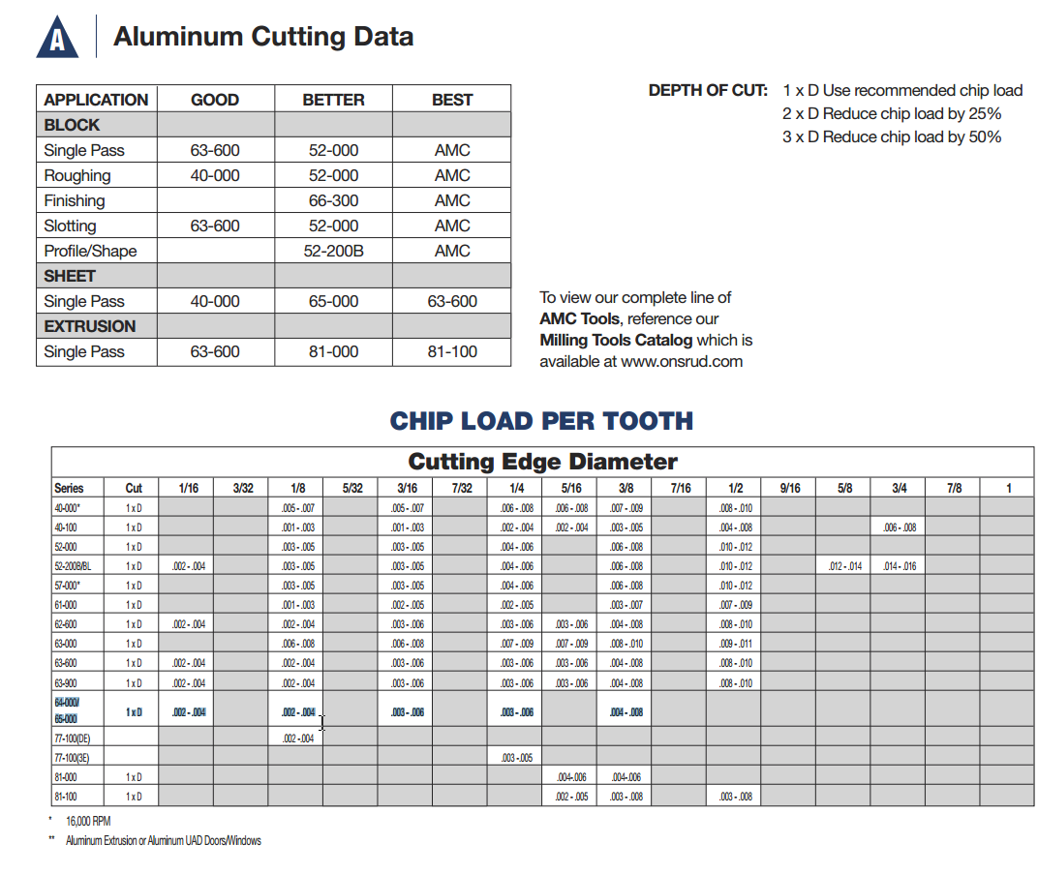
Cutters

Onsrud 65-010 (1/8" single flute upcut) | http://www.onsrud.com/product/Item/m/itemDetail.html;jsessionid=1B7929B772DC0DAD71037077A3F0B479?itemId=65-010

